Sheet1
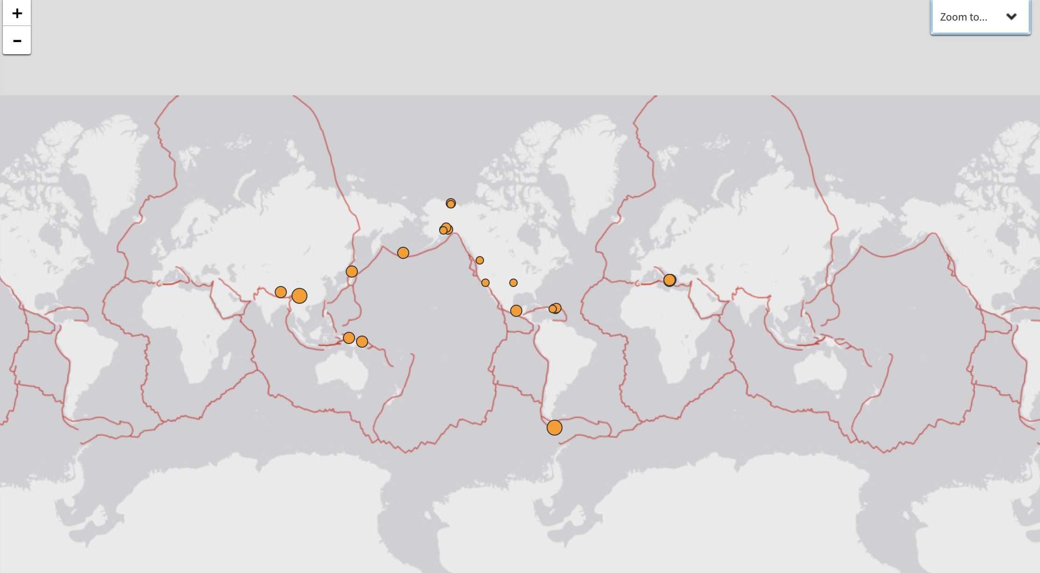
NOTE DATA IN PROTOTYPE IS ILLUSTRATIVE ONLY, WILL NEED TO PROCESS ALL FILES
 | Last hour of earthquakes |  |  |  |  |  |  |  |  |  |  |  |  |  |  |  |  |  |  |  |  |  |  |  |  |  |  |  |  |  |  |  |  |  |  |  |  |  |  |  |  |  |  |  |  |  |  |  |  |  |  |  |  |  |  |  |  |  |  |  |  |  |  |  |  |  |  |  |  |  |  | OVERLAYWORLD POPULATION IN THE BACKGROUND |  |  |  | THINK ABOUT IF JUST TO STICK WITH THE ORGINAL DATASET AND NOT DO ANYTHING ON THE DISTANCE AND PPOULATION
 | SUGGESTION WAS TO MAKE THE DNA CHARTS MUCH LARGER AND DOMINANT |  |  |  | 34 | 35 | 36 | 37 | 38 | 39 | 40 | 41 | 42 | 43 | 44 | 45 | 46 | 47 | 48 | 49 | 50 | 51 | 52 | 53 | 54 | 55 | 56 | 57 | 58 | 59 | 60 | 61 | 62 | 63 | 64 | 65 | 66 | 67 | 68 | 69 | 70 | 71 | 72 | 73 | 74 | 75 | 76 | 77 | 78 | 79 | 80 | 81 | 82 | 83 | 84 | 85 | 86 | 87 | 88 | 89 | 90 | 91 | 92 | 93 | 94 | 95 | 96 | 97 | 98 | 99 | 100 |  |  |  |  | NEED TO INCLUDE A TOGGLE ON THIS SOMEWHERE

 | Maximum Magnitude | 7.12 |  | Current Hour versus previous:

 |  |  | Hour |  |  |  |  |  |  |  |  |  |  |  |  |  |  |  |  |  |  |  |  |  |  |  |  |  |  |  |  |  |  |  |  |  |  |  |  |  |  |  |  |  |  |  |  |  |  |  |  |  |  |  |  |  |  |  |  |  |  |  |  |  |  |  |  |  |  |  |  |  |  |  |  | https://simplemaps.com/data/world-cities

 |  |  | Day

 |  |  | Week

 |  |  | Month
 |  |  |  |  |  |  |  |  |  |  |  |  |  |  |  |  |  |  |  |  |  |  |  |  |  |  |  |  |  |  |  |  |  |  |  |  |  |  |  |  |  |  |  |  |  |  |  |  |  |  |  |  |  |  |  |  |  |  |  |  |  |  |  |  |  |  |  |  |  |  |  |  |  |  |  | shape files for the fault line for overlay posibly
 | Distance to major citiies | 1.46 |  | Current Hour versus previous:

 |  |  | Hour

 |  |  | Day |  |  |  |  |  |  |  |  |  |  |  |  |  |  |  |  |  |  |  |  |  |  |  |  |  |  |  |  |  |  |  |  |  |  |  |  |  |  |  |  |  |  |  |  |  |  |  |  |  |  |  |  |  |  |  |  |  |  |  |  |  |  |  |  |  |  |  |  |  |  |  |  | For the size of the earthquakes use the same size and use color coding for the threat factor

 |  |  | Week

 |  |  | Month

 | Population Affected | 1.26 |  | Current Hour versus previous:

 |  |  | Hour

 |  |  | Day |  |  |  |  |  |  |  |  |  |  |  |  |  |  |  |  |  |  |  |  |  |  |  |  |  |  |  |  |  |  |  |  |  |  |  |  |  |  |  |  |  |  |  |  |  |  |  |  |  |  |  |  |  |  |  |  |  |  |  |  |  |  |  |  |  |  |  |  |  |  |  |  | iNTERESTING ON THE ECONOMICS OF THE EARTHQUAKE

 |  |  | Week |  |  |  |  |  |  |  |  |  |  |  |  |  |  |  |  |  |  |  |  |  |  |  |  |  |  |  |  |  |  |  |  |  |  |  |  |  |  |  |  |  |  |  |  |  |  |  |  |  |  |  |  |  |  |  |  |  |  |  |  |  |  |  |  |  |  |  |  |  |  |  |  | https://www.kansascityfed.org/publications/research/oke/articles/2016/economic-damage-large-earthquakes

 |  |  | Month

 | Status: Emergency

 | Magnitude of Eartchquake over the last hour | LINE CHARE OVER THE LAST HOUR |  |  |  |  |  |  |  |  |  |  |  |  |  |  |  |  |  |  |  |  |  |  |  |  |  |  |  |  |  |  |  |  |  |  |  |  |  |  |  |  |  |  |  |  |  |  |  |  |  |  |  |  |  |  |  |  |  |  |  |  |  |  |  |  |  |  |  |  |  |  | Distance of closest major city to eacrthquakes over the last hour | SCATTER PLOT OF MAGNITUDE VS. DISTANCE | INCLUDE TUFTE AXIS MARKS IF POSSIBLE

 |  |  |  |  |  |  |  |  |  |  |  |  |  |  |  |  |  |  |  |  |  |  |  |  |  |  |  |  |  |  |  |  |  |  |  |  |  |  |  |  |  |  |  |  |  |  |  |  |  |  |  |  |  |  |  |  |  |  |  |  |  |  |  |  |  |  |  |  |  |  |  |  |  |  |  | DISTANCE BETWEEN TWO POINTS OF LAT/LONG TO DISTANCE IN JAVASCRIPT

 |  |  |  |  |  |  |  |  |  |  |  |  |  |  |  |  |  |  |  |  |  |  |  |  |  |  |  |  |  |  |  |  |  |  |  |  |  |  |  |  |  |  |  |  |  |  |  |  |  |  |  |  |  |  |  |  |  |  |  |  |  |  |  |  |  |  |  |  |  |  |  |  |  |  |  | https://www.movable-type.co.uk/scripts/latlong.html

 | Distance of closest major city to earthquakes over the last hour | LINE CHARE OVER THE LAST HOUR
 |  |  |  |  |  |  |  |  |  |  |  |  |  |  |  |  |  |  |  |  |  |  |  |  |  |  |  |  |  |  |  |  |  |  |  |  |  |  |  |  |  |  |  |  |  |  |  |  |  |  |  |  |  |  |  |  |  |  |  |  |  |  |  |  |  |  |  |  |  |  |  |  |  |  |  | THERE IS A SLIDER PLUG IN FOR LEAFLET

 |  |  |  |  |  |  |  |  |  |  |  |  |  |  |  |  |  |  |  |  |  |  |  |  |  |  |  |  |  |  |  |  |  |  |  |  |  |  |  |  |  |  |  |  |  |  |  |  |  |  |  |  |  |  |  |  |  |  |  |  |  |  |  |  |  |  |  |  |  |  |  |  |  | Magnitude of Eartchquake over the last hour
 | Populaiton of closest major city to earthquakes over the last hour | LINE CHARE OVER THE LAST HOUR
 |  |  |  |  |  |  |  |  |  |  |  |  |  |  |  |  |  |  |  |  |  |  |  |  |  |  |  |  |  |  |  |  |  |  |  |  |  |  |  |  |  |  |  |  |  |  |  |  |  |  |  |  |  |  |  |  |  |  |  |  |  |  |  |  |  |  |  |  |  |  |  |  | Populaiton of closest major city to eacrthquakes over the last hour | SCATTER PLOT OF MAGNITUDE VS. POPULATION

 | Risk Measure | LINE CHARE OVER THE LAST HOUR

 |  | DYNAMIC TIME AXIS CODE SHARED ACROSS BOTH CHARTS
 |  |  |  |  |  |  |  |  |  |  |  |  |  |  |  |  |  |  |  |  |  |  |  |  |  |  |  |  |  |  |  |  |  |  |  |  |  |  |  |  |  |  |  |  |  |  |  |  |  |  |  |  |  |  |  |  |  |  |  |  |  |  |  |  |  |  |  |  |  |  |  |  |  | Magnitude of Eartchquake over the last hour
 | Source: XXXXXXXXXXXXXX

